Dashboard
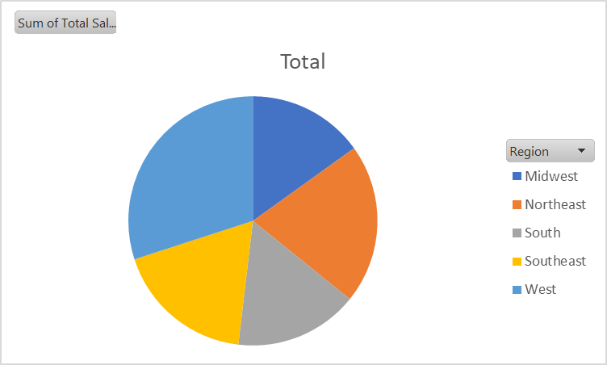
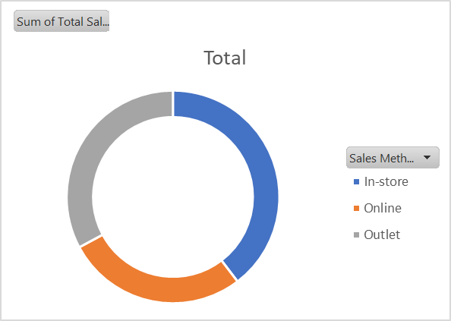
Adidas Sales dashboard

 | Total
Jan | 55225396
Feb | 46102165
Mar | 39148532
Apr | 47732964
May | 63589681
Jun | 65917553
Jul | 78334681
Aug | 72288221
Sep | 59357023
Oct | 53074764
Nov | 59235040
Dec | 77815430
 | Sum of Total Sales | Sum of Operating Profit
Amazon | 77698912 | 28818503.31
Foot Locker | 177217915 | 65053341.69
Kohl's | 101356250 | 36507986.41
Sports Direct | 167209896 | 68543020.92
Walmart | 41673410 | 13625513.09
West Gear | 152665067 | 56210733.45

Sales in U$D
Row Labels | Sum of Total Sales
2021
Jan | 55225396
 | Total
Jan | 55225396
Feb | 46102165
Mar | 39148532
Apr | 47732964
May | 63589681
Jun | 65917553
Jul | 78334681
Aug | 72288221
Sep | 59357023
Oct | 53074764
Nov | 59235040
Dec | 77815430
Feb | 46102165
Mar | 39148532
Apr | 47732964
May | 63589681
Jun | 65917553
Jul | 78334681
Aug | 72288221
Sep | 59357023
Oct | 53074764
Nov | 59235040
Dec | 77815430
Grand Total | 717821450

Retailer Sales & Profits
Row Labels | Sum of Total Sales | Sum of Operating Profit
Amazon | 77698912 | 28818503.31
Foot Locker | 177217915 | 65053341.69
Kohl's | 101356250 | 36507986.41
Sports Direct | 167209896 | 68543020.92
Walmart | 41673410 | 13625513.09
West Gear | 152665067 | 56210733.45
Grand Total | 717821450 | 268759098.87

Sales By Region
Row Labels | Sum of Total Sales
Midwest | 128422391
Grand Total | 128422391

Sales Method
Row Labels | Sum of Total Sales
In-store | 262740750
Online | 243152916
Outlet | 211927784
Grand Total | 717821450

